Siteplan
Irish Traffic Surveys LTD
Survey Name : |  | ITS - 1078 N11 Kilpedder
Survey Type: |  | Automatic Traffic Count (ATC) Survey
Date: |  | 10.03.26 - 17.03.26
Time: |  | 00:00 - 23:59
Location: |  | 53.131047, -6.109777
Classification: |  | Car, LGV, OGV1, OGV2, PSV
Grid Reference: |  | O 26550 10588
X: |  | 326550
Y: |  | 210588
Latitude: |  | 53.131047
Longitude: |  | -6.109777
Address (near): |  | Glen of the Downs Dual Carriageway, Kilcoole ED, The Municipal District of Greystones, County Wicklow, Leinster, A63 A039, Ireland
Site Overview
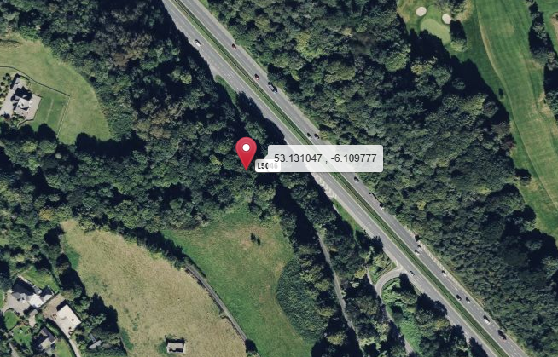

Direction A

Direction B

N

Description | Grid Reference | X | Y | Latitude | Longitude | Postcode | Address (near) | Point Link | Link For All Points
53.992382 , -6.512409 | H 97604 05799 | 297604 | 305799 | 53.992382 | -6.512409 |  | L31361, Castlering ED, The Municipal District of Dundalk, County Louth, Leinster, Ireland | Link | Link for All 1 Points

Summary
Irish Traffic Surveys LTD
Survey Name : |  | ITS - 1078 N11 Kilpedder
Survey Type: |  | Automatic Traffic Count (ATC) Survey
Date: |  | 10.03.26 - 17.03.26
Time: |  | 00:00 - 23:59
Location: |  | 53.131047, -6.109777
Classification: |  | Car, LGV, OGV1, OGV2, PSV
Site 6 |  |  |  |  |  |  | Weather
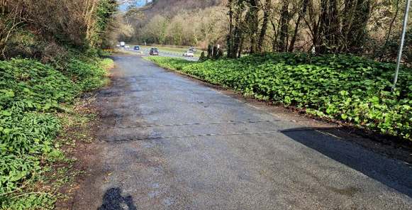
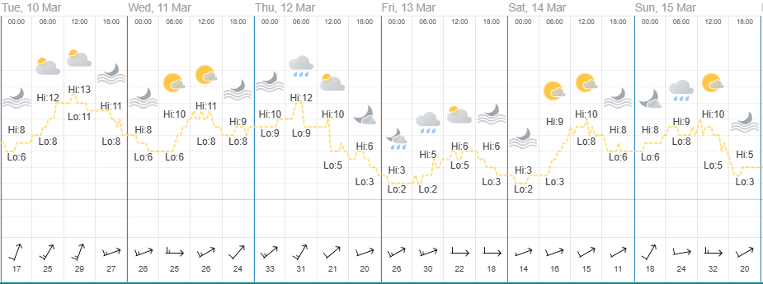
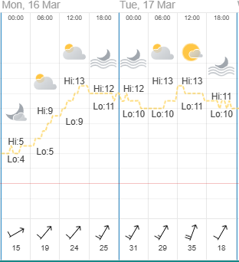

Direction A

Direction B

Virtual Week
Virtual Week - Both Directions |  |  |  |  |  |  |  |  |  |  | Virtual Week - Direction A |  |  |  |  |  |  |  |  |  |  | Virtual Week - Direction B

 | Monday | Tuesday | Wednesday | Thursday | Friday | Saturday | Sunday | AWDT | AWET | ADT |  | Monday | Tuesday | Wednesday | Thursday | Friday | Saturday | Sunday | AWDT | AWET | ADT |  | Monday | Tuesday | Wednesday | Thursday | Friday | Saturday | Sunday | AWDT | AWET | ADT
0:00:00 | 1 | 1 | 3 | 1 | 4 | 5 | 4 | 2 | 5 | 3 | 0:00:00 | 0 | 0 | 0 | 0 | 1 | 0 | 0 | 0 | 0 | 0 | 0:00:00 | 1 | 1 | 3 | 1 | 3 | 5 | 4 | 2 | 5 | 3
1:00:00 | 0 | 0 | 1 | 1 | 0 | 5 | 1 | 0 | 3 | 1 | 1:00:00 | 0 | 0 | 0 | 0 | 0 | 0 | 0 | 0 | 0 | 0 | 1:00:00 | 0 | 0 | 1 | 1 | 0 | 5 | 1 | 0 | 3 | 1
2:00:00 | 0 | 0 | 0 | 0 | 0 | 2 | 2 | 0 | 2 | 1 | 2:00:00 | 0 | 0 | 0 | 0 | 0 | 0 | 0 | 0 | 0 | 0 | 2:00:00 | 0 | 0 | 0 | 0 | 0 | 2 | 2 | 0 | 2 | 1
3:00:00 | 0 | 0 | 0 | 0 | 0 | 1 | 0 | 0 | 1 | 0 | 3:00:00 | 0 | 0 | 0 | 0 | 0 | 0 | 0 | 0 | 0 | 0 | 3:00:00 | 0 | 0 | 0 | 0 | 0 | 1 | 0 | 0 | 1 | 0
4:00:00 | 0 | 0 | 0 | 0 | 0 | 2 | 1 | 0 | 2 | 0 | 4:00:00 | 0 | 0 | 0 | 0 | 0 | 0 | 0 | 0 | 0 | 0 | 4:00:00 | 0 | 0 | 0 | 0 | 0 | 2 | 1 | 0 | 2 | 0
5:00:00 | 1 | 0 | 2 | 0 | 3 | 0 | 1 | 1 | 1 | 1 | 5:00:00 | 1 | 0 | 0 | 0 | 0 | 0 | 0 | 0 | 0 | 0 | 5:00:00 | 0 | 0 | 2 | 0 | 3 | 0 | 1 | 1 | 1 | 1
6:00:00 | 3 | 5 | 3 | 2 | 3 | 2 | 1 | 3 | 2 | 3 | 6:00:00 | 0 | 0 | 0 | 1 | 0 | 0 | 0 | 0 | 0 | 0 | 6:00:00 | 3 | 5 | 3 | 1 | 3 | 2 | 1 | 3 | 2 | 3
7:00:00 | 7 | 6 | 7 | 9 | 9 | 8 | 2 | 8 | 5 | 7 | 7:00:00 | 0 | 0 | 0 | 0 | 0 | 0 | 0 | 0 | 0 | 0 | 7:00:00 | 7 | 6 | 7 | 9 | 9 | 8 | 2 | 8 | 5 | 7
8:00:00 | 8 | 45 | 29 | 39 | 39 | 12 | 7 | 32 | 10 | 26 | 8:00:00 | 0 | 1 | 1 | 0 | 2 | 0 | 0 | 1 | 0 | 1 | 8:00:00 | 8 | 44 | 28 | 39 | 37 | 12 | 7 | 31 | 10 | 25
9:00:00 | 24 | 32 | 32 | 17 | 31 | 16 | 22 | 27 | 19 | 25 | 9:00:00 | 1 | 3 | 2 | 1 | 1 | 1 | 0 | 2 | 1 | 1 | 9:00:00 | 23 | 29 | 30 | 16 | 30 | 15 | 22 | 26 | 19 | 24
10:00:00 | 22 | 30 | 22 | 18 | 32 | 28 | 20 | 25 | 24 | 25 | 10:00:00 | 0 | 2 | 1 | 0 | 0 | 0 | 1 | 1 | 1 | 1 | 10:00:00 | 22 | 28 | 21 | 18 | 32 | 28 | 19 | 24 | 24 | 24
11:00:00 | 29 | 23 | 25 | 29 | 28 | 35 | 29 | 27 | 32 | 28 | 11:00:00 | 1 | 2 | 0 | 1 | 0 | 1 | 1 | 1 | 1 | 1 | 11:00:00 | 28 | 21 | 25 | 28 | 28 | 34 | 28 | 26 | 31 | 27
12:00:00 | 36 | 32 | 28 | 40 | 37 | 42 | 34 | 35 | 38 | 36 | 12:00:00 | 1 | 1 | 0 | 1 | 1 | 0 | 0 | 1 | 0 | 1 | 12:00:00 | 35 | 31 | 28 | 39 | 36 | 42 | 34 | 34 | 38 | 35
13:00:00 | 38 | 35 | 34 | 39 | 51 | 47 | 41 | 39 | 44 | 41 | 13:00:00 | 0 | 1 | 2 | 1 | 3 | 2 | 1 | 1 | 2 | 1 | 13:00:00 | 38 | 34 | 32 | 38 | 48 | 45 | 40 | 38 | 43 | 39
14:00:00 | 36 | 38 | 50 | 47 | 48 | 32 | 31 | 44 | 32 | 40 | 14:00:00 | 0 | 0 | 1 | 1 | 3 | 0 | 1 | 1 | 1 | 1 | 14:00:00 | 36 | 38 | 49 | 46 | 45 | 32 | 30 | 43 | 31 | 39
15:00:00 | 32 | 36 | 48 | 50 | 49 | 27 | 37 | 43 | 32 | 40 | 15:00:00 | 2 | 0 | 1 | 0 | 0 | 0 | 3 | 1 | 2 | 1 | 15:00:00 | 30 | 36 | 47 | 50 | 49 | 27 | 34 | 42 | 31 | 39
16:00:00 | 51 | 42 | 51 | 32 | 53 | 48 | 37 | 46 | 43 | 45 | 16:00:00 | 1 | 2 | 1 | 0 | 1 | 1 | 0 | 1 | 1 | 1 | 16:00:00 | 50 | 40 | 50 | 32 | 52 | 47 | 37 | 45 | 42 | 44
17:00:00 | 44 | 40 | 45 | 39 | 49 | 50 | 39 | 43 | 45 | 44 | 17:00:00 | 0 | 1 | 2 | 1 | 2 | 2 | 0 | 1 | 1 | 1 | 17:00:00 | 44 | 39 | 43 | 38 | 47 | 48 | 39 | 42 | 44 | 43
18:00:00 | 42 | 44 | 50 | 42 | 32 | 30 | 23 | 42 | 27 | 38 | 18:00:00 | 0 | 1 | 0 | 0 | 0 | 0 | 0 | 0 | 0 | 0 | 18:00:00 | 42 | 43 | 50 | 42 | 32 | 30 | 23 | 42 | 27 | 37
19:00:00 | 30 | 28 | 20 | 30 | 25 | 21 | 17 | 27 | 19 | 24 | 19:00:00 | 0 | 0 | 0 | 0 | 1 | 0 | 1 | 0 | 1 | 0 | 19:00:00 | 30 | 28 | 20 | 30 | 24 | 21 | 16 | 26 | 19 | 24
20:00:00 | 20 | 16 | 25 | 20 | 22 | 16 | 16 | 21 | 16 | 19 | 20:00:00 | 0 | 0 | 1 | 0 | 0 | 0 | 0 | 0 | 0 | 0 | 20:00:00 | 20 | 16 | 24 | 20 | 22 | 16 | 16 | 20 | 16 | 19
21:00:00 | 10 | 14 | 17 | 13 | 13 | 7 | 9 | 13 | 8 | 12 | 21:00:00 | 0 | 0 | 0 | 1 | 0 | 0 | 1 | 0 | 1 | 0 | 21:00:00 | 10 | 14 | 17 | 12 | 13 | 7 | 8 | 13 | 8 | 12
22:00:00 | 12 | 9 | 10 | 11 | 17 | 12 | 4 | 12 | 8 | 11 | 22:00:00 | 1 | 0 | 0 | 0 | 1 | 2 | 0 | 0 | 1 | 1 | 22:00:00 | 11 | 9 | 10 | 11 | 16 | 10 | 4 | 11 | 7 | 10
23:00:00 | 5 | 5 | 5 | 4 | 15 | 6 | 11 | 7 | 9 | 7 | 23:00:00 | 0 | 0 | 1 | 0 | 1 | 0 | 1 | 0 | 1 | 0 | 23:00:00 | 5 | 5 | 4 | 4 | 14 | 6 | 10 | 6 | 8 | 7
Total | 451 | 481 | 507 | 483 | 560 | 454 | 389 | 496 | 422 | 475 | Total | 8 | 14 | 13 | 8 | 17 | 9 | 10 | 12 | 10 | 11 | Total | 443 | 467 | 494 | 475 | 543 | 445 | 379 | 484 | 412 | 464

AM peak | 29 (1100) | 45 (0800) | 32 (0900) | 39 (0800) | 39 (0800) | 35 (1100) | 29 (1100) | 32 (0800) | 32 (1100) | 28 (1100) | AM peak | 1 (0500) | 3 (0900) | 2 (0900) | 1 (0600) | 2 (0800) | 1 (0900) | 1 (1000) | 2 (0900) | 1 (1100) | 1 (0900) | AM peak | 28 (1100) | 44 (0800) | 30 (0900) | 39 (0800) | 37 (0800) | 34 (1100) | 28 (1100) | 31 (0800) | 31 (1100) | 27 (1100)
PM peak | 51 (1600) | 44 (1800) | 51 (1600) | 50 (1500) | 53 (1600) | 50 (1700) | 41 (1300) | 46 (1600) | 45 (1700) | 45 (1600) | PM peak | 2 (1500) | 2 (1600) | 2 (1300) | 1 (1200) | 3 (1300) | 2 (1300) | 3 (1500) | 1 (1300) | 2 (1300) | 1 (1300) | PM peak | 50 (1600) | 43 (1800) | 50 (1600) | 50 (1500) | 52 (1600) | 48 (1700) | 40 (1300) | 45 (1600) | 44 (1700) | 44 (1600)
Day peak | 51 (1600) | 45 (0800) | 51 (1600) | 50 (1500) | 53 (1600) | 50 (1700) | 41 (1300) | 46 (1600) | 45 (1700) | 45 (1600) | Day peak | 2 (1500) | 3 (0900) | 2 (0900) | 1 (0600) | 3 (1300) | 2 (1300) | 3 (1500) | 2 (0900) | 2 (1300) | 1 (1300) | Day peak | 50 (1600) | 44 (0800) | 50 (1600) | 50 (1500) | 52 (1600) | 48 (1700) | 40 (1300) | 45 (1600) | 44 (1700) | 44 (1600)

Mean | 45.0 | 44.8 | 45.2 | 44.3 | 44.4 | 44.6 | 43.9 | 44.7 | 44.3 | 44.6 | Mean | 35.2 | 24.9 | 30.8 | 39.7 | 37.7 | 26.3 | 24.9 | 33.2 | 25.6 | 31.3 | Mean | 45.1 | 45.4 | 45.6 | 44.4 | 44.6 | 45.0 | 44.4 | 45.0 | 44.7 | 44.9
Speed 85% | 53.0 | 52.7 | 52.0 | 50.8 | 51.1 | 52.2 | 50.3 | 51.8 | 51.6 | 51.7 | Speed 85% | - | 34.3 | 31.5 | - | 37.8 | - | - | 37.8 | - | 37.8 | Speed 85% | 53.0 | 52.7 | 52.4 | 50.8 | 51.2 | 52.4 | 50.4 | 51.8 | 51.7 | 51.8
Exceeding | 18 | 18 | 21 | 10 | 15 | 6 | 9 | 16 | 8 | 14 | Exceeding | 0 | 0 | 0 | 0 | 0 | 0 | 0 | 0 | 0 | 0 | Exceeding | 18 | 18 | 21 | 10 | 15 | 6 | 9 | 16 | 8 | 14
Percent Ex | 3.991 | 3.742 | 4.142 | 2.070 | 2.679 | 1.322 | 2.314 | 3.304 | 1.779 | 2.917 | Percent Ex | 0.000 | 0.000 | 0.000 | 0.000 | 0.000 | 0.000 | 0.000 | 0.000 | 0.000 | 0.000 | Percent Ex | 4.063 | 3.854 | 4.251 | 2.105 | 2.762 | 1.348 | 2.375 | 3.386 | 1.820 | 2.988
Mean Ex | 63.3 | 65.2 | 67.0 | 68.0 | 66.0 | 65.3 | 66.9 | 65.7 | 66.3 | 65.8 | Mean Ex | - | - | - | - | - | - | - | - | - | - | Mean Ex | 63.3 | 65.2 | 67.0 | 68.0 | 66.0 | 65.3 | 66.9 | 65.7 | 66.3 | 65.8
Class Bin Chart |  |  |  |  |  |  |  |  |  |  | Speed |  |  |  |  |  |  |  |  |  |  | Vehicle Flow

COBA Classification Legend
Irish Traffic Surveys LTD
DfT-UK |  |  |  |  |  |  |  |  | Report Legend |  | Coba Classification Chart
GB DTp National Core Census.
Units: Metric (m)
Car class: 3
Unclassifiable vehicle class: 12 |  | 53.990083, -6.125944
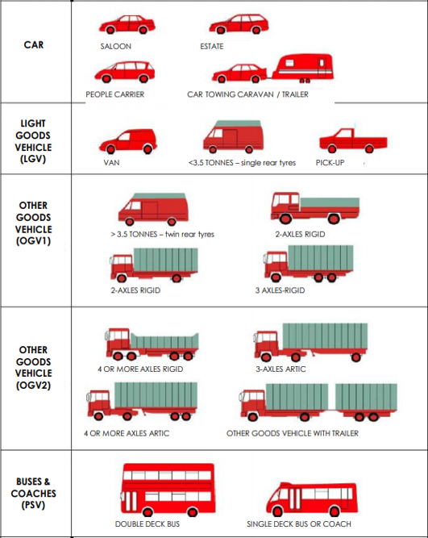
Class | Type | Axles | SP1 Axle Width | SP2 Axle Width | SP3 Axle Width | SP4 Axle Width | SP5 Axle Width |  | Time [-- | Time Range
1 | C | 2 | 0.00 - 1.06 |  |  |  |  | MC/Pedalcyclist | Total | Total number of Vehicles
1 | O | 2 | 1.06 - 1.70 |  |  |  |  |  | Vmin Speed | Minimum Recorded Speed
1 | CAR | 2 | 1.70 - 2.64 |  |  |  |  | Car | Vmax Speed | Maximum Recorded Speed
1 |  | 3 | 1.89 - 2.95 | 1.90 - 4.00 |  |  |  |  | Mean Average Speed | Average Recorded Speeds
1 |  | 3 | 1.89 - 2.95 | 3.50 - 6.00 |  |  |  |  | Vpp 85% Speed | 85 % Percentile Speed
1 |  | 4 | 1.89 - 2.95 | 1.90 - 6.00 | 0.50 - 1.30 |  |  |  | Cls 1 Car | Total number of Vehicles
2 | LGV | 2 | 2.64 - 3.75 |  |  |  |  | LGV | Cls 2 LGV | Total number of Vehicles
3 | R2 | 2 | 3.75 - 6.00 |  |  |  |  |  | Cls 3 OGV1 | Total number of Vehicles
3 | R3 | 3 | 2.00 - 6.00 | 1.00 - 1.90 |  |  |  |  | Cls 4 OGV2 | Total number of Vehicles
3 |  | 3 | 1.00 - 1.88 | 2.00 - 12.00 |  |  |  | OGV1 | Cls 5 PSV | Total number of Vehicles
3 | R4 | 4 | 1.00 - 1.90 | 2.00 - 12.00 | 1.00 - 1.90 |  |  |  | ]PSL 80 | Number of vehicles in excess of Speed Limit
3 |  | 4 | 3.00 - 9.00 | 1.00 - 2.50 | 1.00 - 2.50 |  |  |  | Average Speed Car | Average Speed for Cars
4 | A3 | 3 | 2.95 - 9.20 | 1.90 - 4.00 |  |  |  |  | Average Speed LGV | Average Speed for LGV
4 |  | 3 | 1.89 - 3.99 | 3.50 - 15.00 |  |  |  |  | Average Speed OGV1 | Average Speed for OGV1
4 |  | 4 | 2.95 - 12.00 | 2.00 - 12.00 | 2.50 - 12.00 |  |  |  | Average Speed OGV2 | Average Speed for OGV2
4 |  | 4 | 2.95 - 9.20 | 2.50 - 9.00 | 0.50 - 2.50 |  |  |  | Average Speed PSV | Average Speed for PSV
4 |  | 4 | 1.89 - 3.99 | 3.50 - 15.00 | 1.05 - 2.50
4 | A4 | 4 | 1.89 - 2.95 | 3.50 - 6.00 | 1.05 - 1.30
4 |  | 4 | 1.00 - 1.90 | 1.90 - 12.00 | 2.00 - 15.00 |  |  | OGV2
4 |  | 4 | 1.70 - 5.25 | 1.00 - 1.90 | 2.00 - 15.00
4 | A5+ | 5 | 2.00 - 12.00 | 1.00 - 12.00 | 2.00 - 12.00 | 1.00 - 1.90
4 |  | 5 | 2.00 - 12.00 | 1.00 - 1.90 | 1.90 - 12.00 | 2.50 - 12.00
4 |  | 5 | 1.70 - 5.25 | 1.00 - 1.90 | 2.00 - 15.00 | 1.00 - 2.50
4 |  | 5 | 1.00 - 1.90 | 1.90 - 12.00 | 2.00 - 15.00 | 1.00 - 2.50
4 |  | 5 | 2.00 - 12.00 | 2.00 - 15.00 | 0.70 - 1.80 | 0.70 - 1.80
4 |  | 6 | 2.00 - 12.00 | 1.00 - 1.90 | 1.90 - 12.00 | 2.00 - 12.00 | 1.00 - 1.90
4 |  | 6 | 1.90 - 5.25 | 1.00 - 1.90 | 2.00 - 15.00 | 1.00 - 1.90 | 1.00 - 1.90
5 | BUS | 2 | 6.00 - 12.00 |  |  |  |  | PSV
5 |  | 3 | 6.00 - 12.00 | 1.00 - 1.90

Version: 4.03
Last revised: March 2013

© 2013 MetroCount®

 |  |  |  |  |  |  | L31361, Castlering ED, The Municipal District of Dundalk, County Louth, Leinster, Ireland

